6.Star Schema
Star Schema

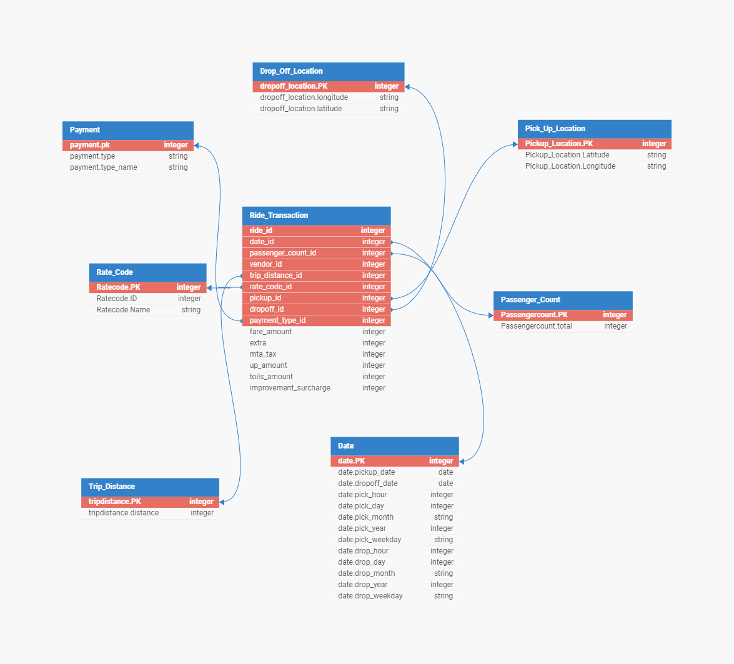
Star Schema Image |  | Possible Star Schema Queries
 |  | Sno | Business Question Addressed | SQL query
 |  | 1 | Total number of rides per vendor | SELECT vendor_id, COUNT(*) AS total_rides FROM Ride_Transaction GROUP BY vendor_id;
 |  | 2 | Average trip distance per month | SELECT date.pick_month, AVG(trip_distance_id) AS avg_trip_distance FROM Ride_Transaction JOIN Date ON Ride_Transaction.date_id = Date.date.PK GROUP BY date.pick_month;
 |  | 3 | Total fare amount collected per payment type | SELECT Payment.type_name, SUM(fare_amount) AS total_fare_amount FROM Ride_Transaction JOIN Payment ON Ride_Transaction.payment_type_id = Payment.payment.pk GROUP BY Payment.type_name;
 |  | 4 | Average fare amount per passenger count | SELECT Passengercount.total, AVG(fare_amount) AS avg_fare_amount FROM Ride_Transaction JOIN Passenger_Count ON Ride_Transaction.passenger_count_id = Passenger_Count.Passengercount.PK GROUP BY Passengercount.total;
 |  | 5 | Total fare amount collected per rate code | SELECT Rate_Code.Name, SUM(fare_amount) AS total_fare_amount FROM Ride_Transaction JOIN Rate_Code ON Ride_Transaction.rate_code_id = Rate_Code.Ratecode.PK GROUP BY Rate_Code.Name;
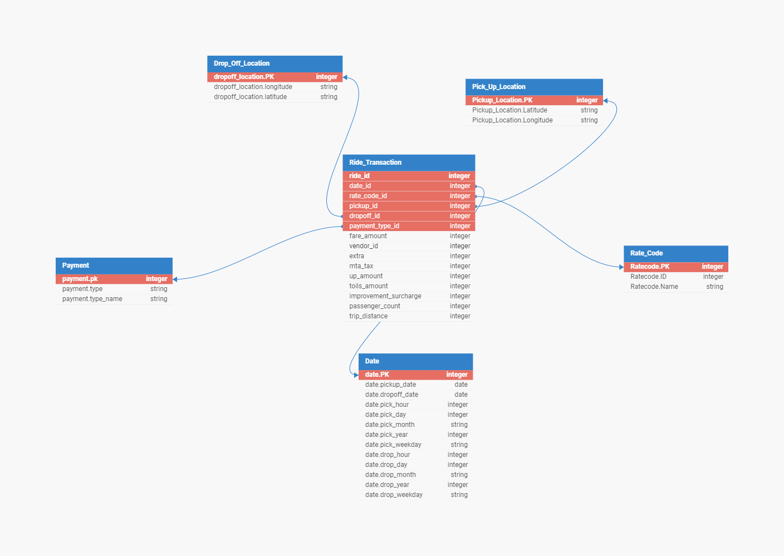
 | New Revised Star Schema Below | 6 | Total fare amount collected per month | SELECT date.pick_month, SUM(fare_amount) AS total_fare_amount FROM Ride_Transaction JOIN Date ON Ride_Transaction.date_id = Date.date.PK GROUP BY date.pick_month;

